>>>EXTRACTIONS
Navision Sales Dump
Customer/Item/Sales
Item Category Code : FG*
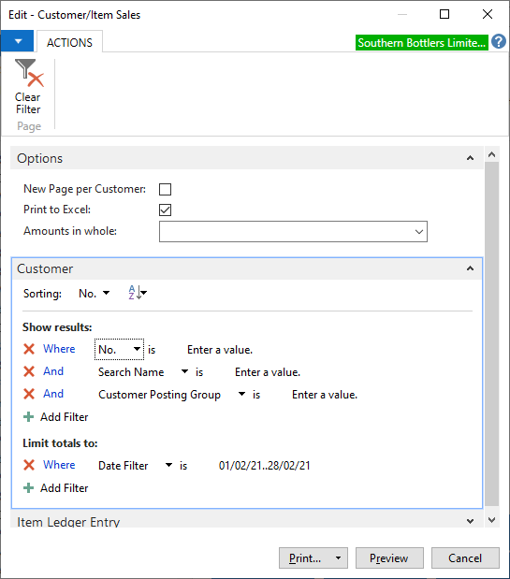
Date filter

BOUCLAGE EG Cust Cons_Decons
http://10.140.10.57/Reports/report/CONTROLLING/BOUCLAGE/Bouclage%20EG%20Cust%20Cons_Decons
Company: SOBO
Add Blocked Customer: False
Customer: Select All
>>Delete other lines to remain with customer totals

TT Around time
Logistics to provide monthly customer actuals

Customer Num Distr.
Commercial to provide monthly actuals

Customer Budget Per category
Commercial to provide monthly customer budgets per category

